Test Report
Test Execution Report
Test Execution Summary
Environment: | Dev
Scheduled Date: | 2024-08-27
Status: | DONE
Prepared By: | Mikaella Anne T. Apelo
Test Execution Result

Feature | Total Number of Test Case | Number of Test Case Executed | Number of Test Case Passed | Number of Test Case Failed | Passing Rate % | Fail Rate %
USER REGISTRATION & LOGIN | 5 | 5 | 3 | 2 | 60% | 40%
BROWSE PRODUCT & SEARCH | 7 | 7 | 7 | 0 | 100% | 0%
CART, CHECKOUT, ORDER HISTORY | 9 | 9 | 6 | 3 | 67% | 33%
PROFILE MANAGEMENT | 4 | 4 | 4 | 0 | 100% | 0%
Total | 25 | 25 | 20 | 5 | 80% | 20%

Defect Summary
Defect Summary:

Total Nnumber of Defects | Critical | High | Medium | Low
9 | 5 | 4 | 0 | 0

Defect List:
Defect No. | ID | Summary |  |  | Status | Severity
1 | BUG 001 | User is able to enter an existing email address |  |  | New | Critical
2 | BUG 002 | User is able to register a new account using already registered email address |  |  | New | Critical
3 | BUG 003 | User attempts logging in with empty username and password input field shows no error message |  |  | New | High
4 | BUG 004 | User entered invalid card number and shows no error message |  |  | New | Critical
5 | BUG 005 | User entered invalid date format and shows no error message |  |  | New | Critical
6 | BUG 006 | No error message is shown, and the payment proceeds despite entering an invalid card number and date format |  |  | New | Critical
7 | BUG 007 | Cancel button is not visible in the page, preventing the cancelling of orders |  |  | New | High
8 | BUG 008 | The user is not logged in, and upon clicking "Add to Cart," the product is added to the cart, and the page redirects to the Cart page without prompting the user to log in first. |  |  | New | High
9 | BUG 009 | The user is not logged in, and upon clicking "Add to Cart," the product is added to the cart, which is not supposed to be the case. The cart should be empty if the user is not logged in. |  |  | New | High

Bug Report
Bug ID / Name | BUG 001 - USER REGISTRATION & LOGIN - User is able to enter an existing email address
Author: | MIKAELLA ANNE T. APELO
State: | New
Priority: | Critical
Replication Steps:
1 | Pre condition: User navigates to JPetStore Registration Page
2 | Input "testadmin2" in the UserID field
3 | Input "pass2" in the Password field
4 | Input "Test" in the First Name field
5 | Input "Admin2" in the Last Name field
6 | Input the existing "test@admin.com" in the Email field
7 | Input "09123456789" in the Phone field
8 | Input "Lt. 12 Blk. 34 Random Street" in Address 1
9 | Input "Lt. 42 Blk. 01 Random Street" in Address 2
10 | Input "Secret City" in City field
11 | Input "Metro" in State field
12 | Input "0123" in Zip field
13 | Input "Philippines" in the Country field
14 | Select "English" in the Language Preference
15 | Select "Dog" in the favorite category
16 | Check "Enable my List" checkbox
17 | Check "Enable my Banner" checkbox
18 | Click "Save Account Information"
Actual Result: | The user is able to enter an already registered email address, and no error message, such as "Email already exists," is displayed to indicate that the email is already in use. The input field is not highlighted with a red border, suggesting that the registration can proceed despite the email already being in use.
Screenshot: | 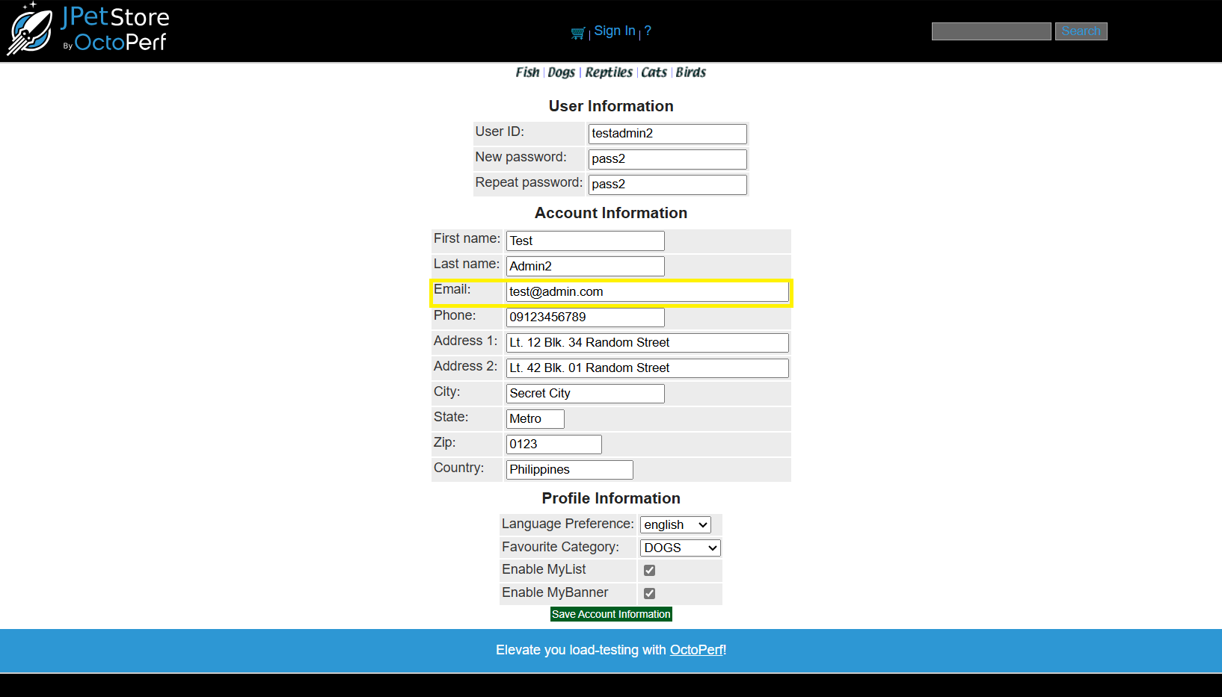

Expected Result: | On the JPetStore Registration Page, if a user attempts to register a new account using an email address that is already registered, an error message stating "Email already exists" should be displayed. Additionally, the Email input field should be highlighted with a red border. The registration process should not proceed, and the user should remain on the registration page.
Reviewed By: | San Juan Romar (ERNI)
Approved By:
Date: | 2024-08-28

Bug ID / Name | BUG 002 - USER REGISTRATION & LOGIN - User is able to register a new account using already registered email address
Author: | MIKAELLA ANNE T. APELO
State: | New
Priority: | Critical
Replication Steps:
1 | Pre condition: User navigates to JPetStore Registration Page
2 | Input "testadmin2" in the UserID field
3 | Input "pass2" in the Password field
4 | Input "Test" in the First Name field
5 | Input "Admin2" in the Last Name field
6 | Input the existing "test@admin.com" in the Email field
7 | Input "09123456789" in the Phone field
8 | Input "Lt. 12 Blk. 34 Random Street" in Address 1
9 | Input "Lt. 42 Blk. 01 Random Street" in Address 2
10 | Input "Secret City" in City field
11 | Input "Metro" in State field
12 | Input "0123" in Zip field
13 | Input "Philippines" in the Country field
14 | Select "English" in the Language Preference
15 | Select "Dog" in the favorite category
16 | Check "Enable my List" checkbox
17 | Check "Enable my Banner" checkbox
18 | Click "Save Account Information"
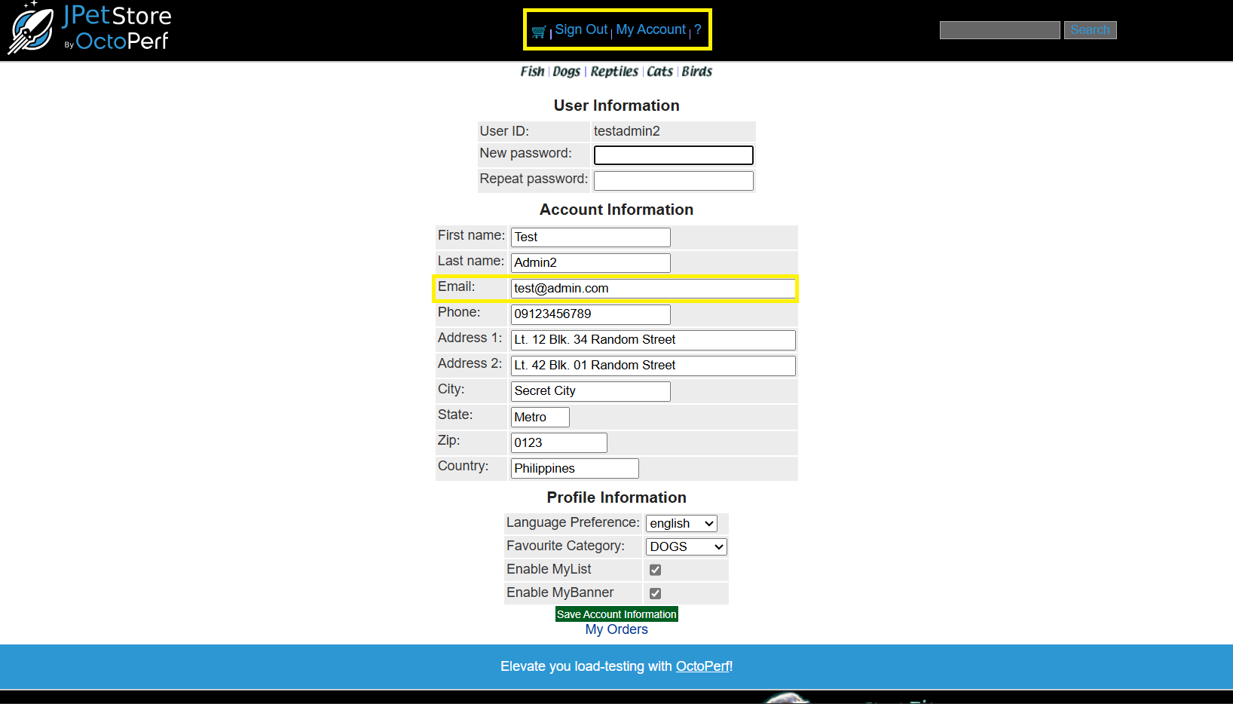
Actual Result: | Upon saving the account information, no error message, such as "Email already exists," is displayed to indicate that the email is already in use. The input field is not highlighted with a red border, suggesting that the registration can proceed despite the email already being in use. The registration proceeds, indicating that the registration is successful, and the user is redirected to the Home Page of the JPetStore website.
Screenshot:

Expected Result: | On JPetStore Registration Page, when the user tries to register a new account using an existing or registered email address, an error message should display "Email already exists". The Email input field should display a red border color. User account registration using an existing or already registered email address should fail, and the user should remain on the registration page.
Reviewed By:
Approved By:
Date:

Bug ID / Name | BUG 003 - USER REGISTRATION & LOGIN - User attempts logging in with empty username and password input field shows no error message
Author: | MIKAELLA ANNE T. APELO
State: | New
Priority: | High
Replication Steps:
1 | Pre condition: User navigates to JPetStore Login Page
2 | Input "testadminxx" in the Username field (invalid)
3 | Input "wrongpass1" in the Password field (invalid)
4 | Click the "Login" button
5 | Verify if the account did not get logged in
6 | Input "testadmin" in the Username field (valid)
7 | Input "wrongpass1" in the Password field (invalid)
8 | Click the "Login" button
9 | Verify if the account did not get logged in
10 | Input "testadminxx" in the Username field (invalid)
11 | Input "pass1" in the Password field (valid)
12 | Click the "Login" button
13 | Verify if the account did not get logged in
14 | Input nothing in the Username field
15 | Input nothing in the Password field
16 | Click the "Login" button
17 | Verify if the account did not get logged in
Actual Result: | No error message, such as "Username and Password fields are required," is displayed to indicate the missing details. The Username and Password input fields don't display a red border color, indicating a required input field.
Screenshot:

Expected Result: | Upon attempting to log in with empty username and password input fields, no error message, such as "Username and Password fields are required," is displayed to indicate the missing information. The Username and Password input fields should display a red border color.
Reviewed By:
Approved By:
Date:

Bug ID / Name | BUG 004 - CART, CHECKOUT, ORDER HISTORY - User entered invalid card number and shows no error message
Author: | MIKAELLA ANNE T. APELO
State: | New
Priority: | Critical
Replication Steps:
1 | Pre condition: User is logged in and has navigated to the Cart page with a "Golden Retriever" pet added to the cart
2 | Click the "Proceed to Checkout" button located at the bottom
3 | Choose "Mastercard" in the Card type dropdown
4 | Fill-up card number with an invalid number "219837198"
5 | Fill-up date with incorrect format "2024/08"
6 | Click the "Continue" button

Actual Result: | Invalid numeric values are accepted for the card number, and no error message, such as "Invalid card number," is displayed. The border is not highlighted with the color red, indicating that the user is allowed to proceed with the checkout process despite entering an invalid card number.
Screenshot:

Expected Result: | The system should only accept valid numeric values for the card number. An error message should be displayed stating "Invalid card number," and the card number input field should be highlighted with a red border. The user should not be able to proceed with the checkout process until a valid card number is entered.
Reviewed By:
Approved By:
Date:

Bug ID / Name | BUG 005 - CART, CHECKOUT, ORDER HISTORY - User entered invalid date format and shows no error message
Author: | MIKAELLA ANNE T. APELO
State: | New
Priority: | Critical
Replication Steps:
1 | Pre condition: User is logged in and has navigated to the Cart page with a "Golden Retriever" pet added to the cart
2 | Click the "Proceed to Checkout" button located at the bottom
3 | Choose "Mastercard" in the Card type dropdown
4 | Fill-up card number with an invalid number "219837198"
5 | Fill-up date with incorrect format "2024/08"
6 | Click the "Continue" button

Actual Result: | The system accepted an incorrect date format, YYYY/MM, and no error message, such as "Incorrect date format," is displayed. The border is not highlighted with the color red, indicating that the user is allowed to proceed with the checkout process despite entering an incorrect date format.
Screenshot:

Expected Result: | The system should only accept the correct date format for the card expiry date, MM/YYYY. An error message should be displayed stating "Incorrect date format," and the expiry date input field should be highlighted with a red border. The user should not be able to proceed with the checkout process until a valid date format is entered.
Reviewed By:
Approved By:
Date:

Bug ID / Name | BUG 006 - CART, CHECKOUT, ORDER HISTORY - No error message is shown, and the payment proceeds despite entering an invalid card number and date format
Author: | MIKAELLA ANNE T. APELO
State: | New
Priority: | Critical
Replication Steps:
1 | Pre condition: User is logged in and has navigated to the Cart page with a "Golden Retriever" pet added to the cart
2 | Click the "Proceed to Checkout" button located at the bottom
3 | Choose "Mastercard" in the Card type dropdown
4 | Fill-up card number with an invalid number "219837198"
5 | Fill-up date with incorrect format "2024/08"
6 | Click the "Continue" button
Actual Result: | The purchase proceeds despite an invalid card number and date format, and no error message, such as "Invalid card number and date," is shown. The borders of the card number and expiry date input fields are not highlighted with the color red, indicating that the user is allowed to complete the checkout process without any validation errors. The page is then redirected to the summary of Orders, Billing, and Shipping Address.
Screenshot: | 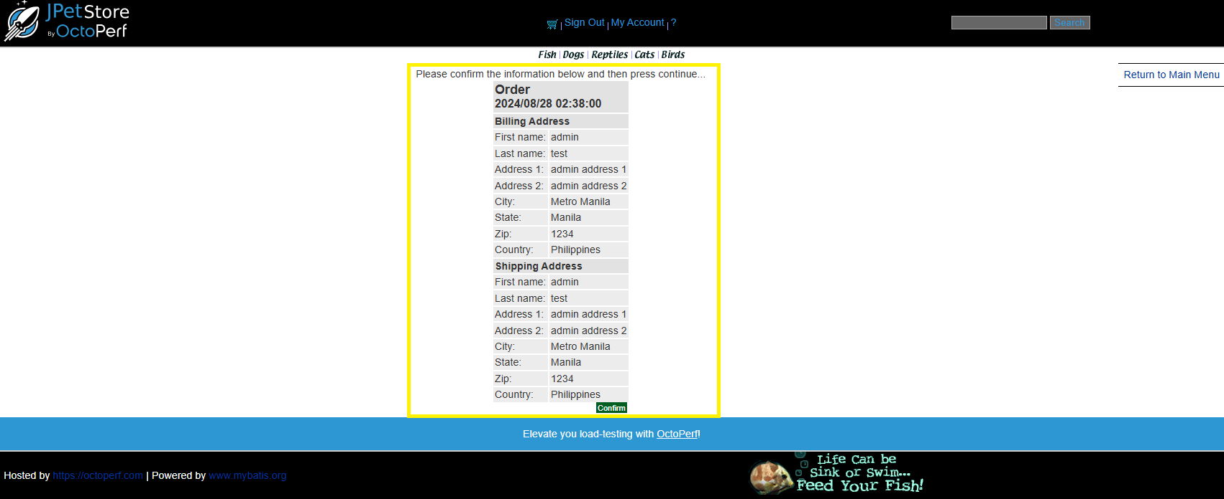

Expected Result: | The purchase should fail due to the incorrect card number and expiry date format. An error message should be displayed stating "Invalid card number and date," and both the card number and expiry date input fields should be highlighted with a red border. The user should not be able to proceed with the checkout process until valid payment details are entered.
Reviewed By:
Approved By:
Date:

Bug ID / Name | BUG 007 - CART, CHECKOUT, ORDER HISTORY - Cancel button is not visible in the page, preventing the cancelling of orders
Author: | MIKAELLA ANNE T. APELO
State: | New
Priority: | High
Replication Steps:
1 | Pre condition: User is logged in and has navigated to the Cart page with a "Golden Retriever" pet added to the cart
2 | Click the "Proceed to Checkout" button located at the bottom
3 | Fill-up card number with valid number "821 9900 2981 2499"
4 | Fill-up date with correct format "08/2024"
5 | Click the "Continue" button
6 | Click the "Cancel" button
7 | Navigate back to cart page by clicking the cart icon in the middle of the nav bar
8 | Verify if the product did not get checked out
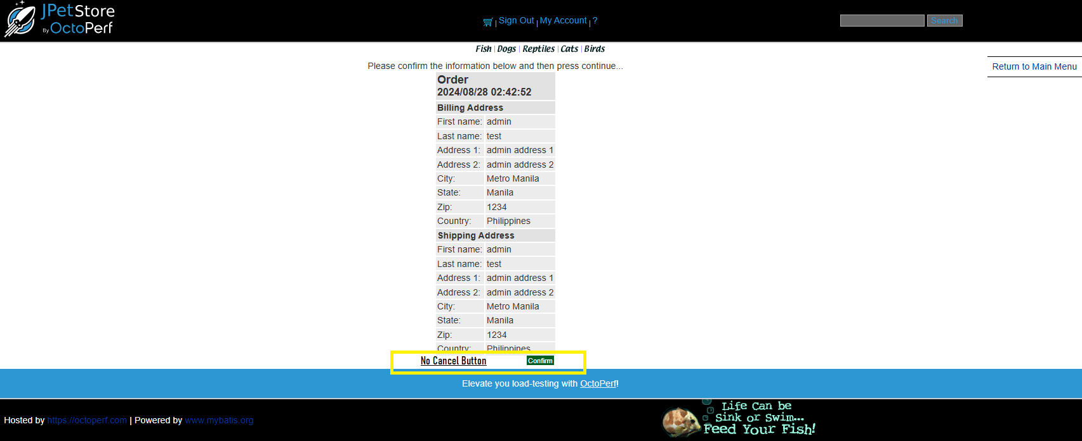
Actual Result: | The "Cancel" button is not visible, preventing the user from canceling the order in case of mistaken purchases or changes to the order, and from being redirected back to the Checkout page.
Screenshot:

Expected Result: | The "Cancel" button should be visible on the page, allowing the user to cancel orders in case of a mistaken purchase or if they want to add another pet to the order. After canceling, the page should be redirected back to the Checkout page.
Reviewed By:
Approved By:
Date:

Bug ID / Name | BUG 008 - CART, CHECKOUT, ORDER HISTORY - Upon clicking "Add to Cart", the page redirects to the Cart page and the selected pet was added to cart
Author: | MIKAELLA ANNE T. APELO
State: | New
Priority: | High
Replication Steps:
1 | Navigate to the website (https://petstore.octoperf.com)
2 | Click the "Cats" category
3 | Click the "Manx" pet in Cats category
4 | Click the "Add to Cart" button
5 | Verify if the product or pet got added in the cart
Actual Result: | The user is not logged in, and upon clicking "Add to Cart," the product is added to the cart, and the page redirects to the Cart page without prompting the user to log in first.
Screenshot:

Expected Result: | On the JPetStore website, when a user tries to add a product or pet to the cart without being logged in, the system should prompt the user to log in first. The user should not be able to add items to the cart without logging in, and the "Add to Cart" action should redirect the user to the login page.
Reviewed By:
Approved By:
Date:

Bug ID / Name | BUG 009 - CART, CHECKOUT, ORDER HISTORY - Despite not logging in, the pet added to the cart is still visible on the Cart page
Author: | MIKAELLA ANNE T. APELO
State: | New
Priority: | High
Replication Steps:
1 | Navigate to the website (https://petstore.octoperf.com)
2 | Click the "Cats" category
3 | Click the "Manx" pet in Cats category
4 | Click the "Add to Cart" button
5 | Verify if the product or pet got added in the cart
Actual Result: | The user is not logged in, and upon clicking "Add to Cart," the product is added to the cart, which is not supposed to be the case. The cart should be empty if the user is not logged in.
Screenshot:

Expected Result: | On the JPetStore website, no product or pet should be added to the cart without a logged-in account. The system should prompt the user to log in before allowing any items to be added to the cart. The cart should remain empty if the user is not logged in.
Reviewed By:
Approved By:
Date:

